Vitrine de APIs
 | Vitrinede Apis |  | R | C | D | P | T | L | I | A

Caracteristica | Manual em formato PDF
Best Practice 1: Provide metadata | 0 |  | 1 | 1 | 1 | 1
Best Practice 2: Provide descriptive metadata | 0 |  | 1 | 1 | 1 | 0
Best Practice 3: Provide structural metadata | 0 |  | 1 | 1 | 0 | 1
Best Practice 4: Provide data license information | 0 | Termos de Uso | 1 |  |  |  | 1
Best Practice 5: Provide data provenance information | 0 |  | 1 | 1 |  |  | 1
Best Practice 6: Provide data quality information | 0 |  | 1 |  |  |  | 1
Best Practice 7: Provide a version indicator | 1 |  | 1 |  |  |  | 1
Best Practice 8: Provide version history | 0 |  | 1 |  |  |  | 1
Best Practice 9: Use persistent URIs as identifiers of datasets | 0 |  | 1 |  | 1 |  |  | 1 | 1
Best Practice 10: Use persistent URIs as identifiers within datasets | 0 |  | 1 |  | 1 |  |  | 1 | 1
Best Practice 11: Assign URIs to dataset versions and series | 1 |  | 1 |  | 1 |  | 1
Best Practice 12: Use machine-readable standardized data formats | 1 | JSON | 1 |  |  | 1
Best Practice 13: Use locale-neutral data representations | 0 |  | 1 | 1
Best Practice 14: Provide data in multiple formats | 1 | json | 1 |  |  | 1
Best Practice 15: Reuse vocabularies, preferably standardized ones | 0 |  | 1 | 1 |  | 1 | 1 |  | 1
Best Practice 16: Choose the right formalization level | 1 |  | 1 | 1 |  |  |  |  | 1
Best Practice 17: Provide bulk download | 0 |  | 1 |  |  |  |  |  |  | 1
Best Practice 18: Provide Subsets for Large Datasets | 0 |  | 1 |  |  | 1 |  | 1 |  | 1
Best Practice 19: Use content negotiation for serving data available in multiple formats | 0 |  | 1 |  |  |  |  |  |  | 1
Best Practice 20: Provide real-time access | 0 |  | 1 |  |  |  |  |  |  | 1
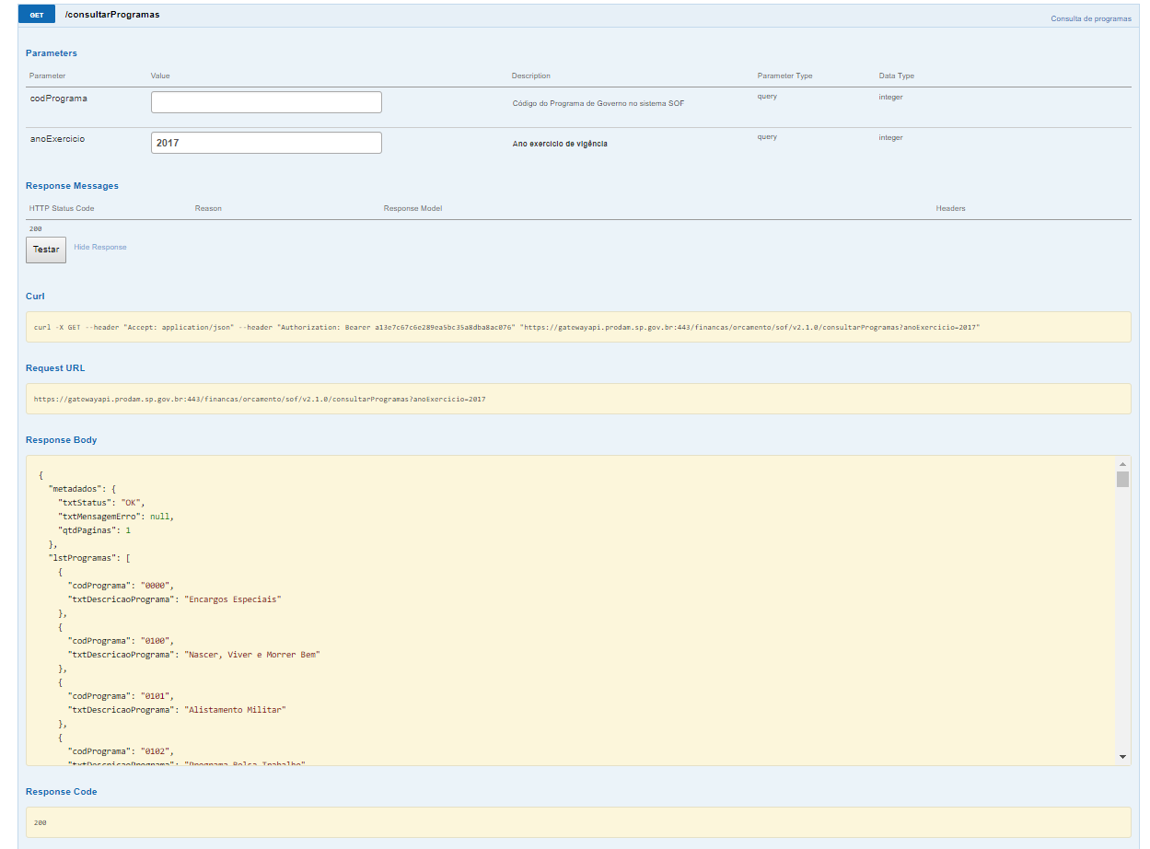
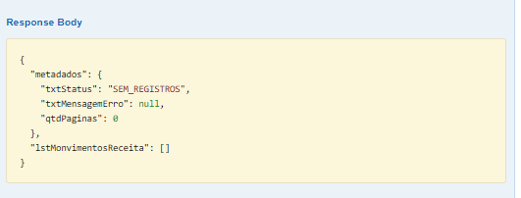
Best Practice 21: Provide data up to date | 1 |  | 1 |  |  |  |  |  |  | 1
Best Practice 22: Provide an explanation for data that is not available | 0 |  | 1 |  |  |  | 1
Best Practice 23: Make data available through an API | 1 |  | 1 |  |  | 1 |  |  | 1 | 1
Best Practice 24: Use Web Standards as the foundation of APIs |  |  | 1 |  | 1 |  |  | 1 | 1 | 1
Best Practice 25: Provide complete documentation for your API | 0 |  | 1 |  |  |  | 1
Best Practice 26: Avoid Breaking Changes to Your API | 0 |  |  |  |  |  | 1 |  | 1
Best Practice 27: Preserve identifiers | 0 |  | 1 |  |  |  | 1
Best Practice 28: Assess dataset coverage | 0 |  | 1 |  |  |  | 1
Best Practice 29: Gather feedback from data consumers | 1 | Forum sem posts | 1 | 1 |  |  | 1
Best Practice 30: Make feedback available | 0 |  | 1 |  |  |  | 1
Best Practice 31: Enrich data by generating new data | 0 |  | 1 | 1 |  | 1 | 1
Best Practice 32: Provide Complementary Presentations | 1 |  | 1 | 1 |  |  | 1 |  | 1
Best Practice 33: Provide Feedback to the Original Publisher | 1 |  | 1 |  |  |  | 1 |  | 1
Best Practice 34: Follow Licensing Terms | 0 |  | 1 |  |  |  | 1
Best Practice 35: Cite the Original Publication | 0 |  | 1 |  | 1 |  | 1
 | 35 |  | 34 | 10 | 7 | 8 | 19 | 4 | 9 | 7
 | 9 |  | 9 | 3 | 1 | 2 | 5 | 0 | 4 | 2
 | 26% |  | 26% | 30% | 14% | 25% | 26% | 0% | 44% | 29%

API-SOF é uma interface de programação que permite maior manuseabilidade de retorno dos dados de execução orçamentária de modo a aprimorar os mecanismos de atendimento aos dispositivos legais sobre transparência e às demandas da sociedade.

